BUTTON
PROCESS
Allowance Inch | Allowance %
0 | 0.0%

CLEAR

PR
PATTERN REQUEST |  |  |  |  |  |  |  | Yes
PT. GISTEX GARMEN INDONESIA |  |  |  |  |  |  |  | No

DATE | BRAND |  | AGENT | SEASON/ CONTRACT | DECRIPTION | STYLE | GARMENT SKETCH
24-May-24 | K-SWISS |  | POLYFILATEX | 24FW | MEN REGULAR FIT | KST24 - K002M (ALFRED) | 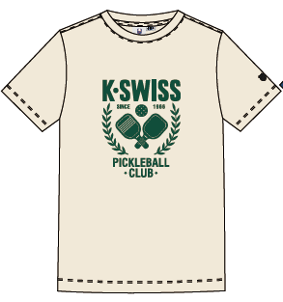

ATTACHED
PATT | SPEC | SKETCH | SAMPLE
No | Yes | Yes | No

NO. | INSTRUCTION
1 | CEK BODY CONSUMPTION
2 | CEK CONSUMPTION NECK TAPE
3
4
5
6
7
8
9
10

A1
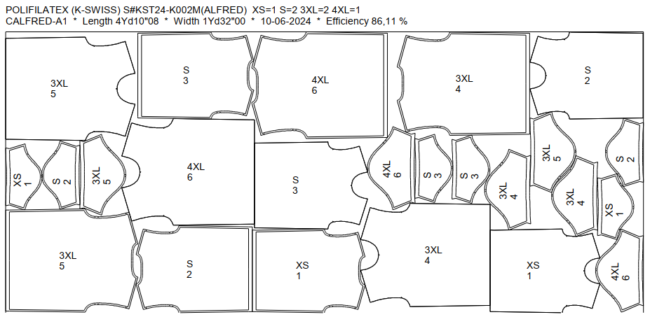
DATE | ITEM | WIDTH | SIZE | LENGHT & SIZE MARKER | MINI MARKER |  |  | YARD/PC | REMARKS | ALLOWANCE CONS%
 |  |  |  |  | Q T Y | LENGTH | EFF(%)
24-May-24 | Body | 68" | XS-4XL | 4Yd10"08 | 6 | 4.285 | 86.11 | 0.714 | MA LECTRA | 0.0%
 |  |  |  | XS=1 S=2 3XL=2 4XL=1 |  | 4 | YD
 |  |  |  |  |  | 10 | " + allowance
 |  |  |  |  |  | 08 | '

A2
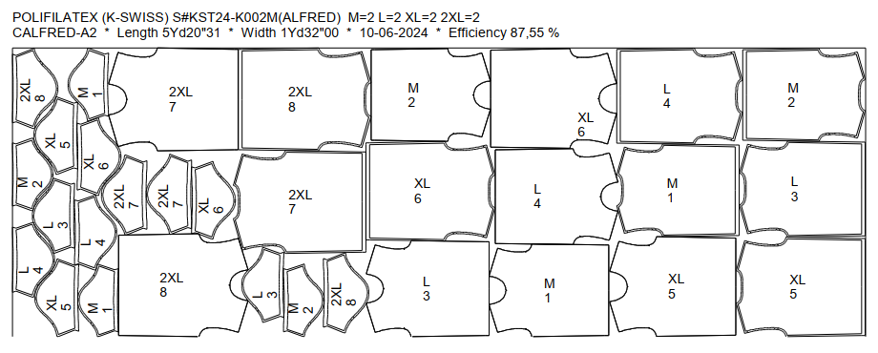
DATE | ITEM | WIDTH | SIZE | LENGHT & SIZE MARKER | MINI MARKER |  |  | YARD/PC | REMARKS | ALLOWANCE CONS%
 |  |  |  |  | Q T Y | LENGTH | EFF(%)
 | Body | 68" | XS-4XL | 5Yd20"31 | 8 | 5.582 | 87.55 | 0.698 |  | 0.0%
 |  |  |  | M=2 L=2 XL=2 2XL=2 |  | 5 | YD
 |  |  |  |  |  | 20 | " + allowance
 |  |  |  |  |  | 31 | '

A3
DATE | ITEM | WIDTH | SIZE | LENGHT & SIZE MARKER | MINI MARKER |  |  | YARD/PC | REMARKS | ALLOWANCE CONS%
 |  |  |  |  | Q T Y | LENGTH | EFF(%)
24-May-24 | RIB | 68" | XS-4XL | 1Yd13"22 | 70 | 1.38 | 86.40 | 0.02 | MA LECTRA | 0.0%
 |  |  |  | XS=1 S=2 M=2 L=2 XL=2 2XL=2 3XL=2 4XL=1 X5 |  | 1 | YD
 |  |  |  |  |  | 13 | " + allowance
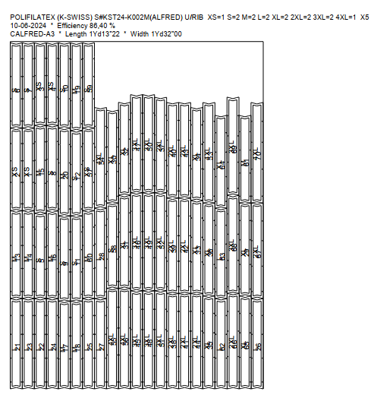
 |  |  |  |  |  | 22 | '

